Sheet1
Item # | Description | UPC | Case Pack | Quantities
10365G | LEGO NEXO KNIGHTS CLAY DELUXE | 039897103860 | 6 | 1,910
10365K | LEGO NEXO KNIGHTS CLAY DELUXE | 039897103655 | 6 | 1,487
10365L | LEGO NEXO KNIGHTS CLAY DELUXE | 039897103792 | 6 | 3,462
10387G | LEGO NEXO KNIGHTS LANCE DELUXE | 039897103983 | 6 | 2,095
10387K | LEGO NEXO KNIGHTS LANCE DELUXE | 039897103877 | 6 | 3,025
10387L | LEGO NEXO KNIGHTS LANCE DELUXE | 039897103945 | 6 | 3,868
10419G | LEGO NEXO KNIGHTS AARON DELUXE | 039897104430 | 6 | 2,480
10419K | LEGO NEXO KNIGHTS AARON DELUXE | 039897104195 | 6 | 2,330
10419L | LEGO NEXO KNIGHTS AARON DELUXE | 039897104225 | 6 | 2,234

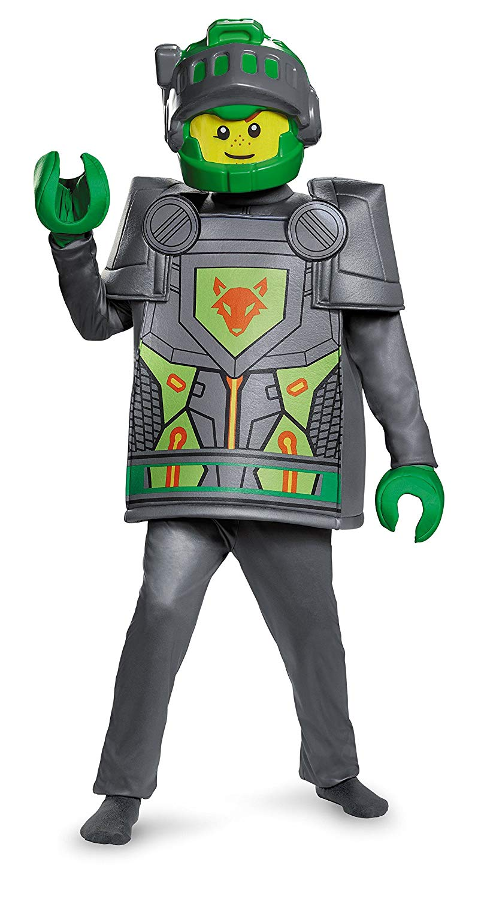
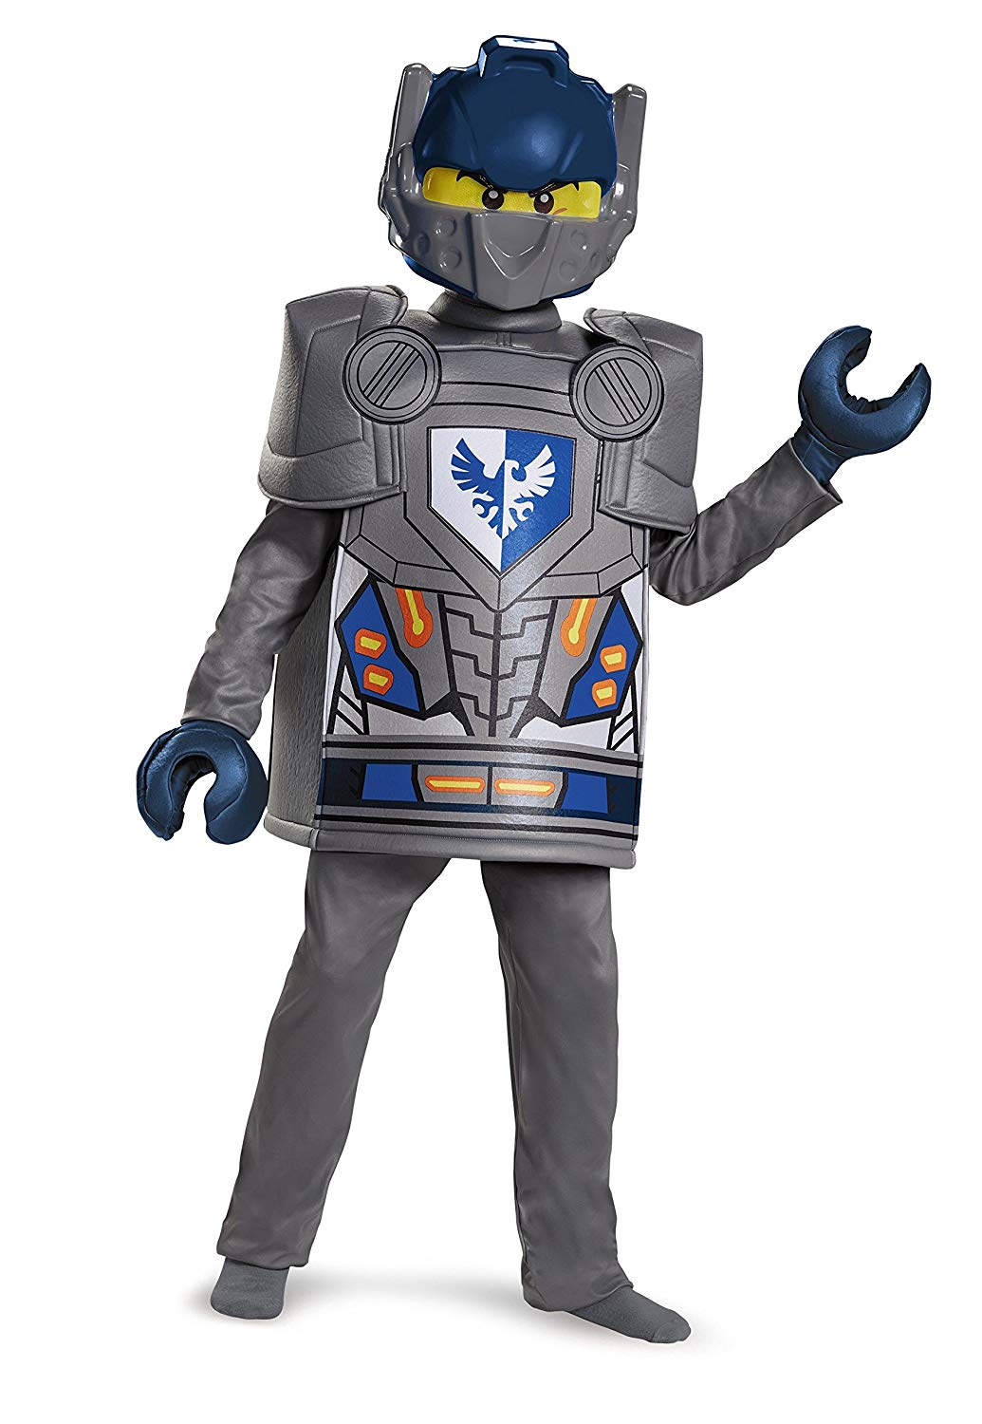
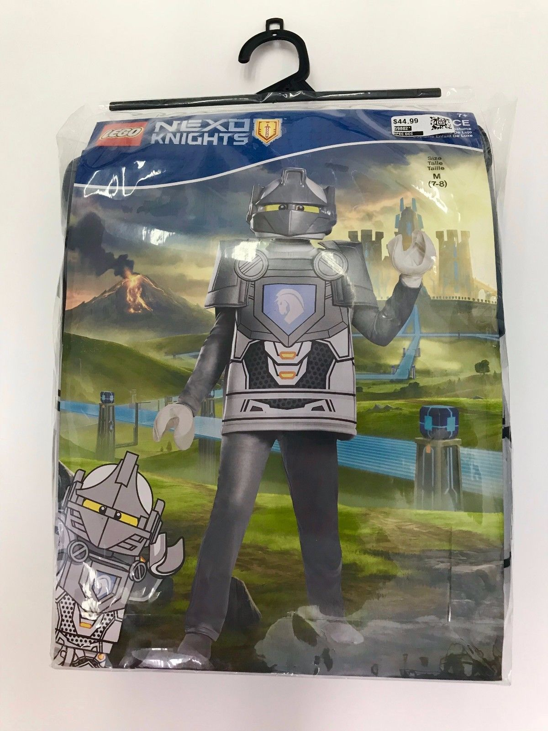
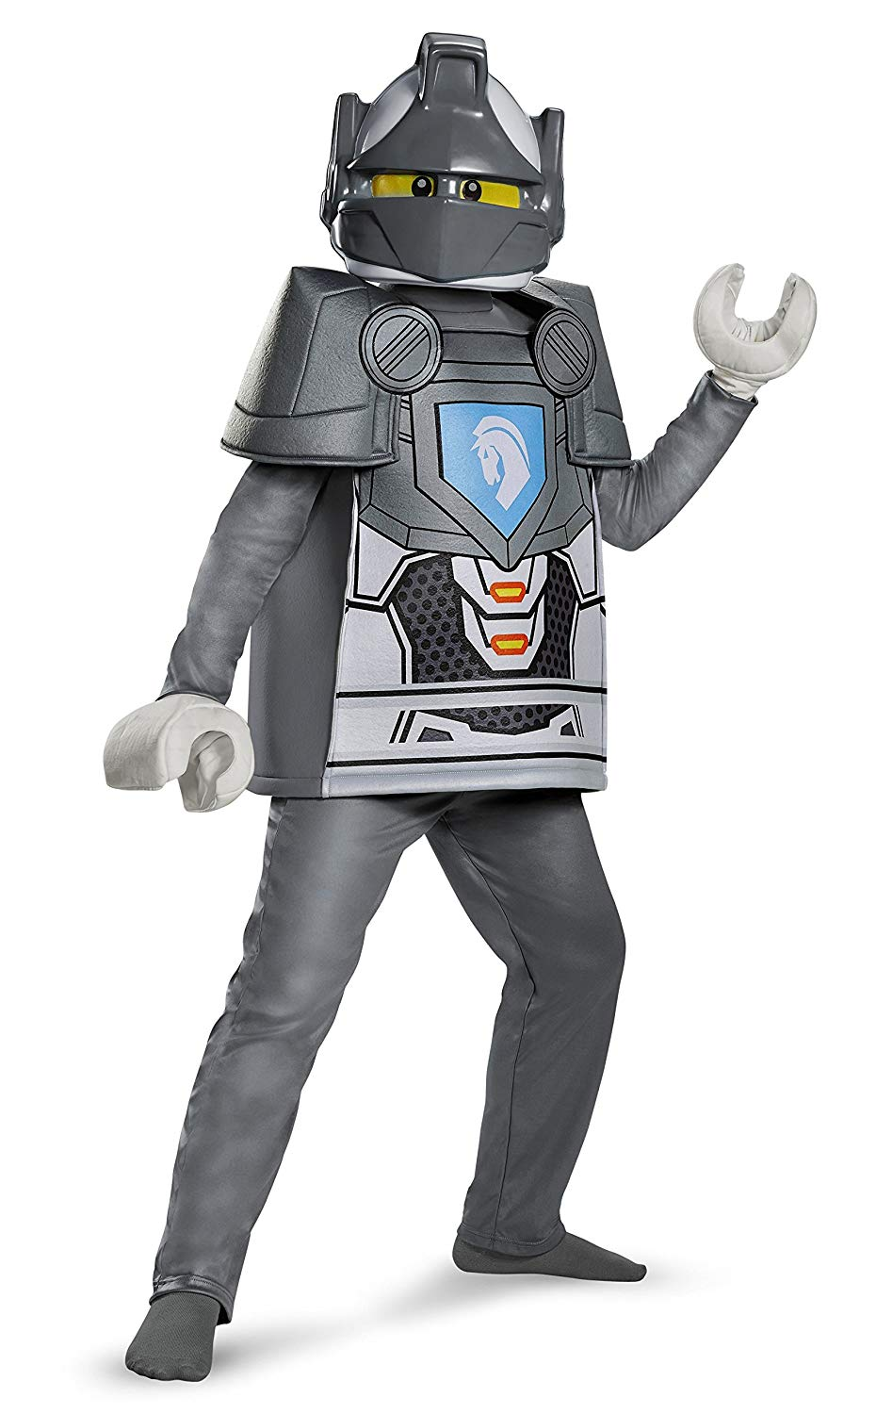
 | AARON | CLAY | LANCE | 22,891

